Hazard List-JSA
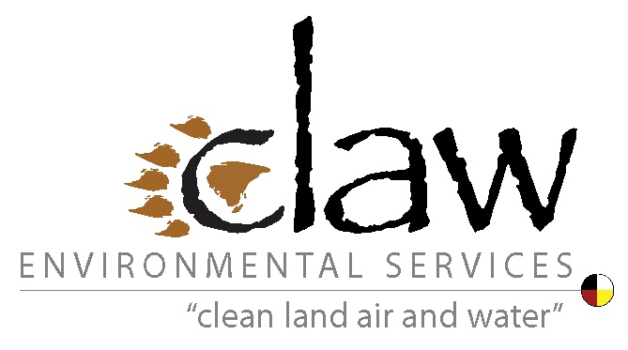
Indigenous Community-Based Climate Monitoring Training and Fieldwork Health & Safety Resources

THIS LIST IS A STARTING POINT AND SOME NEEDED ITEMS MAY NOT BE LISTED BELOW - USE THE PROVIDED EXTRA ROWS AS NEEDED, OR LIST EXTRA ITEMS AT BOTTOM OF TABLE

Project Length (Days): | _______________________________

Survival Gear and Medical and First-Aid Supplies
Check box if Item Needed for Project | Supplies / Gear | Additional Notes/Resources
First Aid and Medical Supplies
 | First Aid Kit including CPR mask | *There is no basic first aid kit that works well for all projects. Kits should be customized for the project, based on the project length, location, identified project health and safety risks, the number of field workers who could become potential patients, team members skill and training in using kit contents, and if the kit will be carried on a vehicle on by a person. Several links to resources for stocking wilderness first aid kits are provided below
 |  | Red Cross First Aid Kits; https://www.redcross.ca/training-and-certification/first-aid-tips-and-resources/first-aid-tips/kit-contents
 |  | Boreal River Rescue, Wilderness First Aid Kits; https://rescue.borealriver.com/medicine-first-aid/wilderness-first-aid-checklist/
 |  | American Alpine Institute - Wilderness First Aid Kits; https://www.alpineinstitute.com/articles/expert-tips/building-your-wilderness-first-aid-kit/
 | Commonly needed medications (e.g. headache pills, allergy pills, etc.) | It is recommended that each team member brings their own
 | Anti-nausea medication
 | Automatic electronic defibrillator (AED) | Training (first aid specific to using an AED) is required to use an AED properly
 | Epi-pen | Will depend on individual team members' needs
 | Personal medications / rescue inhalers (bronchodilators) | All team members should be personally responsible to carry with them a large enough supply of their own personal medication to last the planned length of the fieldwork, as well as extra days in case there is a delay in leaving the field (e.g., planes or boats cannot reach fieldwork sites to perform pick-ups)

Survival Gear - Communications
 | Satellite phone
 | GPS-enabled emergency locator beacon

Survival Gear - General
 | Multitool and/or essential tool kit | Anything required for field repairs of equipment and vehicles
 | Extra fuel for vehicles / boats / planes
 | Topographic map of the area and a compass | Training is required to use these items properly
 | Audible signalling device | e.g., Emergency whistle
 | Visual signalling device | e.g., Flashlight with emergency strobe beacon, signal mirror Consider taking multiple options as backup (e.g., mirror works if flashlight out of power)
 | Emergency shelters | For protection against exposure to the elements
 | Space blanket/emergency blanket | To prevent loss of body heat in an emergency
 | Fire starting supplies | e.g., magnesium powder, tinder, spark-generating surface and knife, wind-proof butane lighter, etc.
 | Knife and axe
 | Clothing with long sleeves and long pants | For tick and sun protection
 | Wide-brimmed hat | For sun protection
 | Tarp | Best to choose a bright, visible colour (e.g., orange)
 | Rope

Survival Gear - Food and Water
 | Extra food and water | For when planes or boats cannot reach fieldwork sites to perform pick-ups. Consider freeze-dried rations
 | Wilderness water filtration system
 | Iodine water purification tablets | Consider taking iodine tablets as a backup for other water filtration systems
 | Camping stove
 | Extra fuel for camping stove

Survival Gear - Travel on/Near Water or Ice
 | Drybag | To store essential supplies that must not get wet during immersion in water
 | Dry suits | Where there is a chance of or need for entering cold water
 | Life preservers | For boat travel or work around swiftwater

Survival Gear - Fire Safety
 | Fire blanket | To put out fires

Survival Gear - Insect and Animal Safety
 | Firearms | For protection against bears or other aggressive wildlife
 | Bear spray | For protection against bears or other aggressive wildlife
 | Bear bangers | For protection against bears or other aggressive wildlife
 | Tick removal key | Mosquitoes and other insects can carry Zika and other diseases
 |  | Risk of Lyme disease to Canadians; https://www.canada.ca/en/public-health/services/diseases/lyme-disease/risk-lyme-disease.html
 | Bug spray

Other Items

