Hazard List-JSA
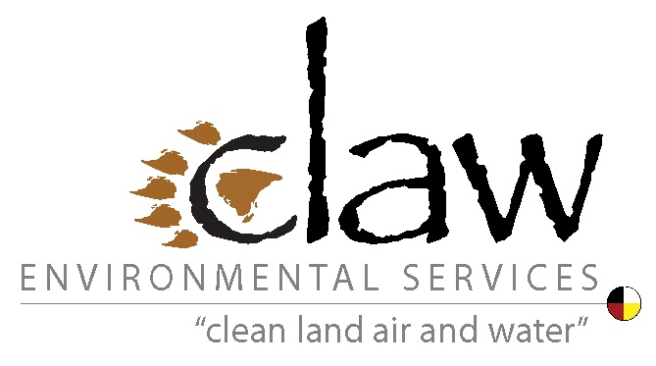
Indigenous Community-Based Climate Monitoring Training and Fieldwork Health & Safety Resources

Example Job Safety Analysis Form
Task Number | Task | Hazard(s) | Most Likely Consequences of Exposure to Hazard | Risk Reduction Measures to be Implemented | Designated Responsible Person

1 | Packing supplies for trip | Lifting heavy/awkward objects and/or repeating the same motion many times | Injury from repeated motion | - Provide team members with training on proper lifting techniques - Repack supplies into multiple smaller and lighter packages | Project Manager
 |  | Important safety gear not packed | Can't treat various injuries/illnesses properly during fieldwork, Greater risk of injury/illness | - Use a packing checklist - Second team member double-checks list to make sure all essential items packed | Quartermaster
2 | Travel by snowmobile to fieldwork location | Snowmobile crashes | Serious injury to rider | - Set a maximum travel speed, - Do not travel in low-visibility conditions | Fieldwork lead hand
 |  | Snowmobile falls through ice | Hypothermia | - Change route to field site to avoid crossing lakes with possible thin or cracked ice - Travel in pairs of snowmobiles; stay close enough to see each other, but far enough apart to reduce chance that both riders could fall through ice - Pack warming gear and change of clothing in drybag carried in backpack
 |  | Snowmobile damaged or runs out of fuel | Rider gets stranded and is exposed to the weather conditions | - Perform a mechanical check of snowmobile before setting out - Carry extra fuel supplies
 |  | Severe weather during travel (e.g., blizzard, windstorm, hail, heavy rain, etc.) | Rider gets lost and/or exposed to the elements during storm | - Pack emergency shelter and take shelter until storm ends
 |  | Cellular or satellite phone fails | Can't call for help if needed | - Carry a backup GPS locator beacon
3 | OTHER PROJECT TASKS TO BE ADDED
4 | …
5 | …
6 | …
7 | …
8 | …
9
10 | Travel back to home base by float plane | Severe weather (e.g., blizzard, windstorm, hail, heavy rain, etc.) | Plane can't land to pick up field team | - Carry several extra days worth of food, water and fuel | Fieldwork lead hand

